MODBUS Configuration
Modbus Communication Specification (v1.0)
Protocol | Modbus RTU (I/O board address: 1)
Communication | RS485 Half Duplex
Baud rate | 115200
Data length | 8 bit
Parity | Even
Stop bit | 2

RS485 connection and Power pin-out
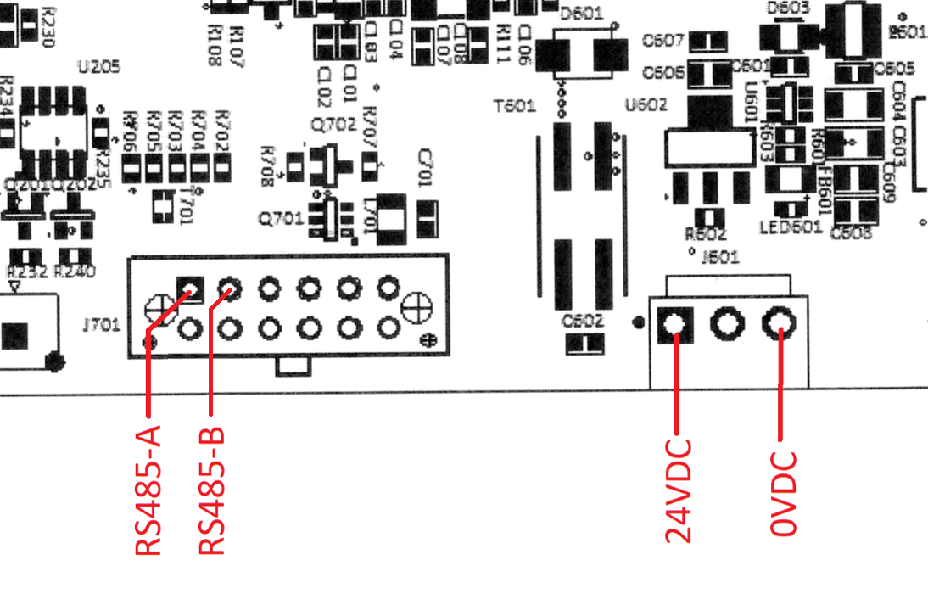

Notes: If you want to connect a PC or Laptop to the I/O board and run a Mater MODBUS software, you need a USB to RS485 converter and the above connection diagram. The MODBUS Pool Software is recommended.

